Additional Info
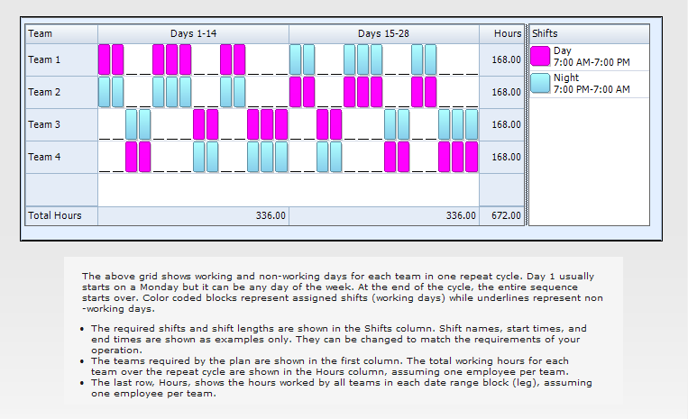
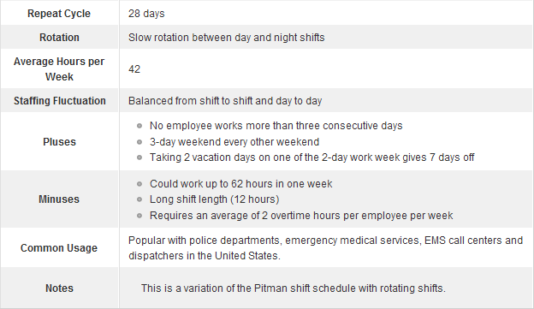
This is a simple employee scheduling template for creating and printing 2-2 3-2 2-3 rotating shift schedules. Work hours and labor costs are automatically computed based on the prescribed shift patterns, the number of employees on each team, and labor rates.
The 2-2 3-2 2-3 rotating shift schedule uses 4 teams (crews) and two 12-hour shifts to provide 24/7 coverage. It consists of a 4-week cycle where each team works 2 consecutive day shifts, followed by 2 days off duty, works 3 consecutive day shifts, followed by 2 days off duty, works 2 consecutive day shifts, followed by 3 days off duty, 2 consecutive night shifts, followed by 2 days off duty, works 3 consecutive night shifts, followed by 2 days off duty, works 2 consecutive night shifts, followed by 3 days off duty. Each team member works an average of 42 hours per week.

