Service Invoice Template
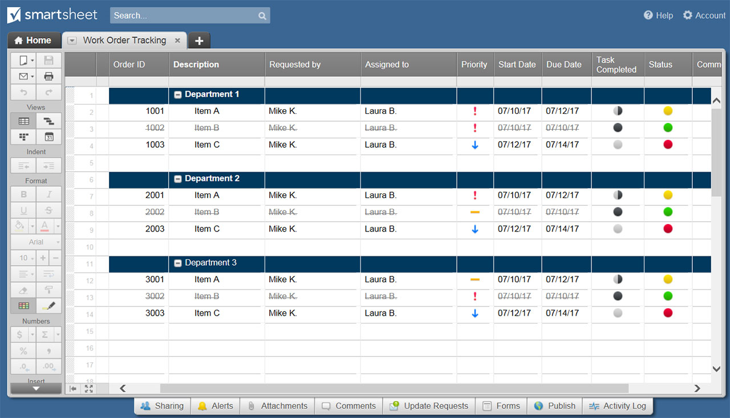
SERVICE INVOICE
Company Name |  |  | DATE
123 Main Street |  |  | 2018-11-14
Hamilton, OH 44416 |  |  | INVOICE NO.
(321) 456-7890 |  |  | A24678
Email Address |  |  | CUSTOMER ID
Point of Contact |  |  | 114H
 |  |  | TERMS
 |  |  | Net 30 Days

CLIENT |  | BILL TO
ATTN: Name / Dept |  | ATTN: Name / Dept
Company Name |  | Company Name
123 Main Street |  | 123 Main Street
Hamilton, OH 44416 |  | Hamilton, OH 44416
(321) 456-7890 |  | (321) 456-7890
Email Address

WORK DESCRIPTION |  | HOURS | UNIT PRICE | TOTAL
Consultation |  | 2.50 | $50.00 | $125.00
Design |  | 7.25 | $80.00 | $580.00
Discount |  | 1.00 | $(30.00) | $(30.00)
 |  |  |  | $-
 |  |  |  | $-
 |  |  |  | $-
 |  |  |  | $-
 |  |  |  | $-
 |  |  |  | $-
REMARKS / INSTRUCTIONS |  |  | SUBTOTAL | $675.00
 |  | enter tax rate| | TAX RATE % | 3.824%
 |  |  | TAX | $25.81
 |  | enter shipping| | S&H | $30.00
Please make check payable to Your Company Name. |  | enter other cost| | OTHER | $15.00
THANK YOU |  |  | TOTAL | $745.81

DATE | AUTHORIZED SIGNATURE
For questions concerning this purchase order, please contact
Name, (321) 456-7890, Email Address
www.yourwebaddress.com

CLICK HERE TO CREATE SERVICE INVOICE TEMPLATES IN SMARTSHEET

