Form UM 1590
Route this form to:
Accounting Services
1300 S. 2nd Street Suite #295L
Minneapolis, MN 55454
Phone: 612-624-1617
Email: controller@umn.edu.
U Wide Form:
UM1590
Rev: 06/2020
Accounts Payable and Unrecorded Expenses Reporting Form |  |  |  |  | Please complete this form for each department and return to the address referenced to the right.

*REQUIRED*
Name: |  |  |  |  | Phone:
Department Name:
RRC HFM:
E-mail:

We have unpaid invoices or unrecorded expense items that relate to the closing fiscal year where either: • A voucher was not entered into PeopleSoft Accounts Payable module by Period 12 entry cut-off; • A journal entry has been entered to account for these expenses in the fiscal year being closed; and/or • Department has a balance in accounts 200111 (A/P-Miscellaneous) and/or 210120 (Accrued Liabilities-Miscellaneous) in the fiscal year being closed. • Navigate to "Ledger Inquiry" where you will fill in the DeptID with your DeptID(s) and the Account Field (either 200111 and / or 210120) (PLEASE SEE SCREENSHOTS AND STEP-BY-STEP INSTRUCTIONS AT THE BOTTOM OF THE FORM). Enter the balance in cell M19.

 |  |  |  |  |  |  |  |  |  | VALIDATION CHECK
 |  |  |  |  |  |  |  |  |  | Total Per General Ledger Inquiry Screen |  | 0
 |  |  |  |  |  |  |  |  |  | Total identified activity listed below |  | -
 |  |  |  |  |  |  |  |  |  | Difference (Should be "0") |  | -

List unpaid invoices or unrecorded expenses itemized at the expense CF String level that meets the above criteria:
 |  |  |  |  |  |  | Expense CF String Information
# | * Voucher * Expense Report * Estimate * Other | * Voucher # * Expense Report # (If Known or Applicable) | Invoice # (If Known or Applicable) | Vendor Name (If Applicable) | EFS Journal Entry # for Expense Accrual | Balance Sheet Account # Related to Accrual (If Applicable) | Fund | DeptID | Program | Project | Account | Amount
1 |  |  |  |  |  |  |  |  |  |  |  | -
2
3

How to find screen pictured below (IN EFS from the home screen go to:General Ledger > Ledger Inquiry)
Here you will "Add new" or click "Search" (if you have used this tool before)

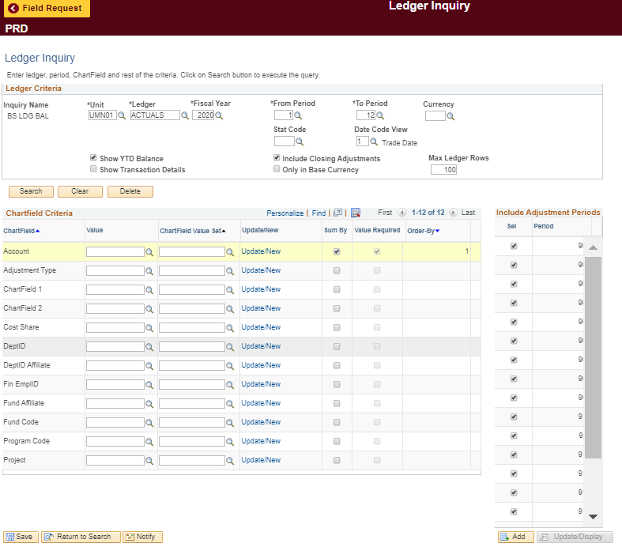

STEP 3:
Click "search"

STEP 1:
Enter in either 200111 or 210120 for the account your department has enter transactions to.

STEP 2:
Fill in the DeptID with your DeptID(s) (if you are listing more than one you will have to do this process for each DeptID)

STEP 4:
See below

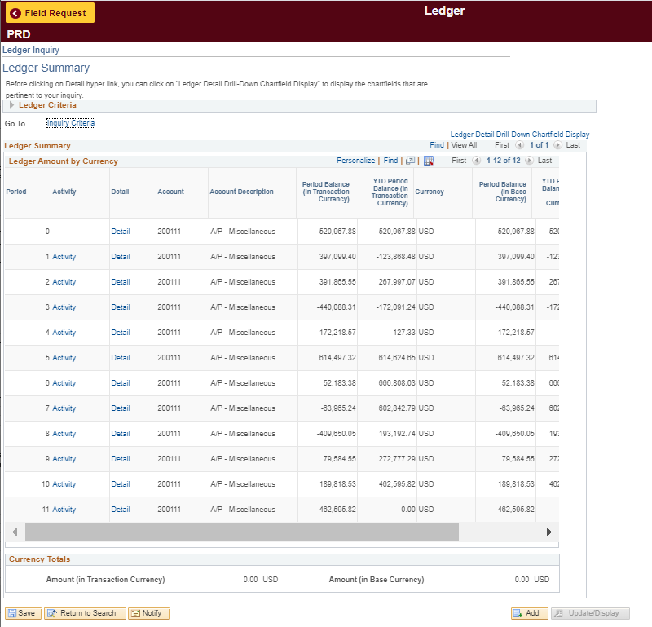

STEP 4:
Use this amount and fill it in to cell M19 (highlighted in yellow)

