IEP Goal Tracker
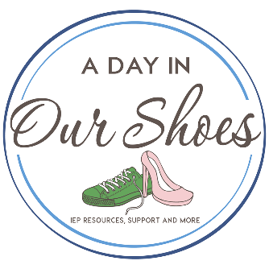 IEP Goal Tracker

Goal | Objectives | Present Levels | Est. Start | Est. Finish | Who | Q1 progress, action take | Q2 progress, action taken | Q3 progress, action taken
type in goal here | steps to achieving goal | can do this: |  |  | staff people | child could….
Kevin will demonstrate improved gross motor skills as evidenced by completing a minimum 3 station obstacle course | step in/out of ball pit, step over obstacles, walk length of balance beam | cannot do consistently | 2015-02-19 | 2016-02-17 | PT, teacher | can do with hand hold | same level, emailed PT on 8/20
here I would put 16/17 gross motor goal

2017/18 speech goal(s)
2018/19 speech goals

