SEO Analysis Report
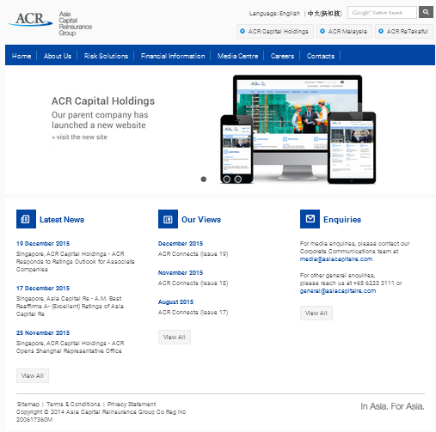
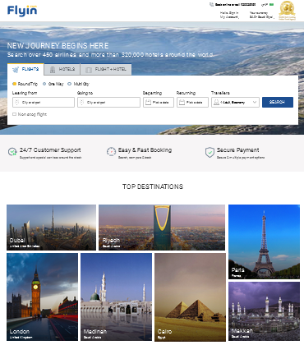


SEO Analysis & Audit Report
Better Analysis, Better Insights

Web Site Summary
SEO Analysis & Audit
Website
Summary

Business
Statistics
Business Name | Flyin
Url | http://www.flyin.com/
Domain Age | 18 years 0 months
Page Rank | 4/10
Alexa Rank | 47,209
Domain Score | 72
Domain Authority | 27.7
Page Authority | 38.28

The Domain authority mandatory 30/100; or Google treat that domain as low quality website.
The Page Authority should be grown to 70 to 80.
Search
Statistics
Universal Search
Website Status | Live
Number of Pages | 10K +
Pages Indexed | 74,446 (Manually Checked 666)
inbound Linking | 440
Outbound Linking | 10+

Detailed Analysis
SEO Analysis & Audit
Detailed
Summary

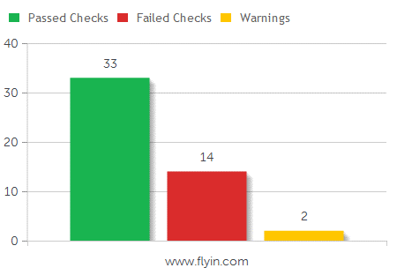

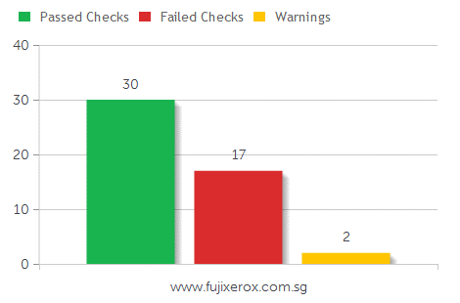

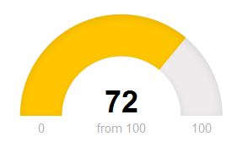

Common SEO issues |  | Assessment
Title Tag | The meta title of your page has a length of 44 characters. Most search engines will truncate meta titles to 70 characters. | Bad
 | The Title Tag should include atleast 3 keyword phrases with Business name

Google Search Results Preview

Meta Description | The meta description of your page has a length of 140 characters. Most search engines will truncate meta descriptions to 160 characters. | Moderate

 | The Meta description should include business generated keywords to result better in search engine and sustain keyword ranking

Most Common Keywords Test | There is likely no optimal keyword density (search engine algorithms have evolved beyond keyword density metrics as a significant ranking factor). It can be useful, however, to note which keywords appear most often on your page and if they reflect the intended topic of your page. More importantly, the keywords on your page should appear within natural sounding and grammatically correct copy. | Bad
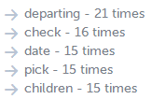

Keyword Usage | Your most common keywords are not appearing in one or more of the meta-tags above. Your primary keywords should appear in your meta-tags to help identify the topic of your webpage to search engines. | Bad

<h1> Headings Status | Your page contains H1 headings. Their contents are listed below: | Moderate

<h2> Headings Status | Your page does not contain any H2 headings. H2 headings help describe the sub-topics of your webpage to search engines. While less important than good meta-titles and descriptions, H1 and H2 headings may still help define the topics of your page to search engines. | Bad

Robots.txt Test | Congratulations! Your site uses a "robots.txt" file: http://www.flyin.com/robots.txt | Good

Sitemap Test | Congratulations! We've found 1 sitemap file for your website: | Good

Image Alt Test | Your webpage has 13 'img' tags and 2 of them are missing the required 'alt' attribute. | Bad

Inline CSS Test | Your webpage is using 32 inline CSS styles! | Moderate

SEO Friendly URL Test | Congratulations! This URL and all internal links on this page are SEO friendly. | Good

JS Error Checker | Congratulation! There is no occurrence of any severe JavaScript Errors in your web page. | Good

Social Media Activity | Congratulations! Your website shows a high activity on social media networks. Search engines are increasingly using social media activity as an additional indicator of site credibility, and to determine which sites are relevant for a given keyword search. Social media engagement can help support your SEO efforts. | Moderate

HTML Page Size Test | Congratulations! Your HTML size is 17.22 Kb and this is under the average web page size of 33 Kb. This leads to a faster page loading time than average. | Good

HTML Compression/GZIP Test | Congratulations! Your page is successfully compressed using gzip compression on your code. Your HTML is compressed from 127.05 Kb to 17.22 Kb (86 % size savings). This helps ensure a faster loading web page and improved user experience. | Good

Site Loading Speed Test | Your site loading time is around 13.22 seconds and is over the average loading speed which is 5 seconds. | Bad

Page Objects | Your page has more than 20 http requests, which can slow down page loading. You can try reducing http requests through various methods such as using text instead of images, using css sprites, using data URIs instead of images, or combining several external files together into one. | Moderate

Image Expires Tag Test | Your site is not using expires headers for your images. An expires tag can help speed up the serving of your webpages for users that regularly visit your site and see the same images. | Bad

JS Minification Test | Some of your website's JavaScript files are not minified! | Moderate

CSS Minification Test | Some of your website's CSS files are not minified! | Moderate

URL Canonicalization | http://www.flyin.com and http://flyin.com resolve to the same URL. | Bad

IP Canonicalization Test | Your site's IP 212.54.130.113 does not redirect to your site's domain name. This could cause duplicate content problems if a search engine indexes your site under both its IP and domain name. | Bad

HTTPS Test | Your website is not using https, a secure communication protocol. Even for sites that do not collect senstive customer information, search engines suggest that switching to https is an increasingly good idea and may help improve rankings. Note: if your site relies primarily on adsense income, be aware that using https may be detrimental to ad earnings. | Bad

MobileGeddon Algorithm | Issue with Ressponsive and Adaptive Devices - iPad, Nexus Mobile and iPhone; Reolve this asap, or Search engine indexing may be lost.

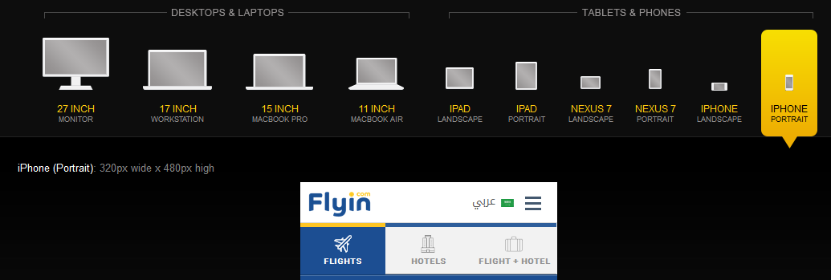

Summary of priority fixes for: http://www.flyin.com

High Priority Fixes | Your web page failed on 3 high priority checks:
 | Site Loading Speed Test, CSS Minification Test, IP Canonicalization Test

Medium Priority Fixes | Your web page failed on 3 medium priority checks:
 | Page Cache Test (Server Side Caching), Image Expires Tag Test, HTTPS Test

Low Priority Fixes | Your web page failed on 5 low priority checks:
 | Inline CSS Test, Libwww-perl Access Test, Plaintext Emails Test, Microdata Schema Test, Canonical Tag Checker

Competitor Analysis
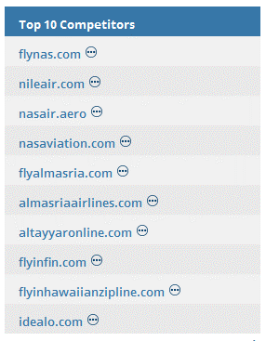
SEO Analysis & Audit
Competitor
Analysis

Competitors
Behaviour
 | Your Company | Top 1 Competitor | Top 2 Competitor | Top 3 Competitor
Domain Name | http://www.flyin.com | http://flynas.com | http://nileair.com | http://flyalmasria.com
Targeted Market | Saudi Arabia and Global | Global and Saudi Arabia | Global and Saudi Arabia | Global and Saudi Arabia
Global Rank | 3,895,838 | 212,162 | 5,862,141 | 19,385,005
URL Rating | 37 | 32 | 18 | 17
Domain Rating | 46 | 56 | 45 | 40
Backlinks | 9.52K | 127K | 6.29K | 431
Reffering Domains | 249 | 1.62K | 188 | 115
Reffering Pages | 8,785 | 50,574 | 5057 | 163
Crawled Pages | 95,825 | 906 | 588 | 20
Do follow Backlinks | 8,708 (91%) | 76,028 (60%) | 6,061 (96%) | 199 (46%)
No follow Backlinks | 493 (5%) | 25,546 (20%) | 209 (3%) | 100 (23%)
Key Success factor | No Optimization | 100% SEO Optimized | 100% SEO Optimized | 100% SEO Optimized

Competitors
Keywords
 | Your Company | Top 1 Competitor | Top 2 Competitor | Top 3 Competitor
Keywords | Flyin | Flynas | Nileair | Flyasmasria
cheap flights and hotels | _ | _ | _ | _
Hotels in Dubai | _ | _ | _ | _
flights to saudi arabia | 54 | 5 | _ | _
Flights booking cairo | _ | 67 | 41 | _
Travel Packages & Holidays SA | _ | _ | _ | _

Top 10
Competitors

Website Quality Audits
SEO Analysis & Audits
Website
Quality Audits
Web Synergies
Keywords
Ranking

On Page SEO
Factors / Analysis

Principle of
Website Design
Key Findings | Grade % | General Requirement | Statistics
Responsive | 100% | No | Good
Express Branding | 50% | No | Good
Call to Action | 100% | No | Good
Social Integrations | 0% | Yes | High Priority
Image Optimization | 30% | Yes | High Priority
HTML & XML Sitemaps | 50% | Yes | High Priority

Content Key
Metrics
Key Findings | Grade % | Requirement | Statistics
Header Tags (H1) | 70% | No | Good
Keywords Density | 1% | Yes | High Priority
Title Tag Optimization | 30% | Yes | High Priority
Meta Tags Authorization | 0% | Yes | High Priority
Anchor Linking | 0% | Yes | High Priority
Content Snippets | 0% | Yes | High Priority

Technical Key
Statistics
Key Findings | Grade % | Requirement | Statistics
W3C & HTML Validations | 50% | Yes | 98 Errors, 10 Warnings
Analytics Integrations | 100% | No | Good
Schema Snippets | 0% | Yes | High Priority
Webmaster Tools | 0% | Yes | High Priority
Robots.Txt File | 100% | No | Good
Local SEO (Maps) | 0% | Yes | High Priority

Backlink Growth
SEO Analysis & Audits
Backlink
Summary
Web Synergies
Keywords
Ranking

Current
Link Building
Top Directories | Status
Dmoz directory | No
Yahoo Directory | No
Alexa Rank | 47,209
Google Page rank | 4/10

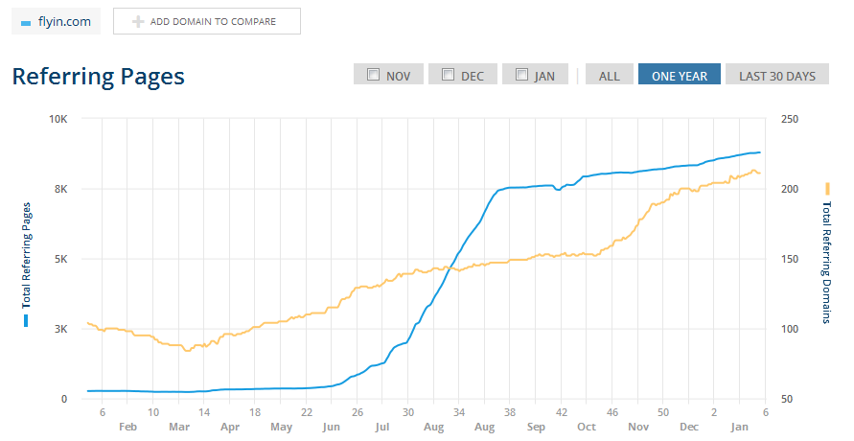

 |  | Critical Condition

Refferal
Linking

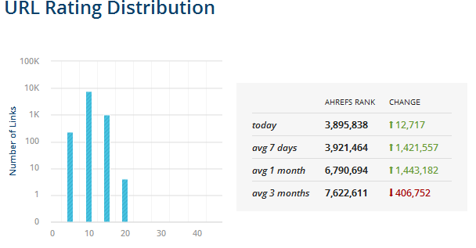

URL
Growth
 |  | Critical Condition

Top
Backlinks

Conclusion
SEO Analysis & Audit
Conclusion
Summary
Web Synergies
Keywords
Ranking

Overview
1 | Organic and Ethical “White Hat” SEO Marketing Techniques Implementation Required
2 | Competitor Behaviours should be understand through Search Ranking and Traffic Patterns
3 | Sustain unique landing pages for Conversion and Lead Generation
4 | Express Branding with Principles of Website Design to be Adaptable
5 | Understand Content Marketing Metrics and Promotional Behaviour
6 | Include Local Citation for local customers and Visitors
7 | On going Manitenance of Link Building Strategies and Content Marketing with Link Development
8 | Roadmap Advertising Campaigns (PPC (Search), Rich Media (Display), Apps (Mobile), Social, Video and Local ads) for Google, Microsoft, Facebook and Other Networks
9 | Syndicating Ads on Adwords, Adwords Express, AdMob, Exact Seek and Third Party tools.
10 | Administer Social Media Integration & Tools to engage customers with social dialogues, Thematic content to automate online reputation management or branding.
11 | Using Facebook, Linked In, Google Plus, Twitter, Pinterest and Instagram.

