Basic Gantt Chart
 |  |  |  | Gannt Chart Template

[Event Title] Gannt Chart
Task Name | Start | End | Duration (days)
Task 1 | 2017-07-10 | 2017-07-20 | 10
Task 2 | 2017-07-10 | 2017-07-23 | 13
Task 3 | 2017-07-15 | 2017-07-30 | 15
Task 4 | 2017-07-27 | 2017-08-05 | 9
Task 5 | 2017-08-01 | 2017-08-08 | 7
Task 6 | 2017-08-03 | 2017-08-27 | 24
Task 7 | 2017-08-03 | 2017-08-15 | 12
Task 8 | 2017-08-11 | 2017-08-21 | 10
Task 9 | 2017-08-15 | 2017-08-29 | 14
Task 10 | 2017-08-20 | 2017-09-10 | 21
Task 11 | 2017-09-02 | 2017-09-11 | 9
Task 12 | 2017-09-03 | 2017-09-20 | 17
Task 13 | 2017-09-08 | 2017-09-22 | 14
Task 14 | 2017-09-15 | 2017-09-30 | 15

FAQs
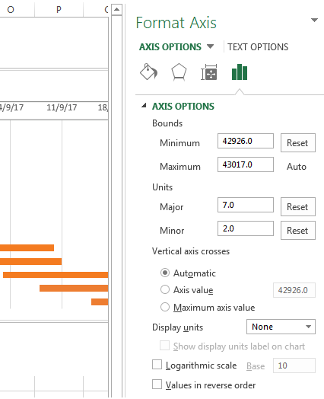
Q | How do I remove the empty space on the left side of my Gantt chart?
A | 1. Right-click on the first Start Date in your data table, select Format Cells > General. Write down the number that you see - this is a numeric representation of the date, in the case of the template '42926'. As you probably know, Excel stores dates as numbers based on the number of days since 1-Jan-1900. Click Cancel because you don't actually want to make any changes here. 2. Click on any date above the task bars in your Gantt chart. One click will select all the dates; right click them and choose Format Axis from the context menu. 3. Under Axis Options, change Minimum to Fixed and type the number you recorded in the previous step.
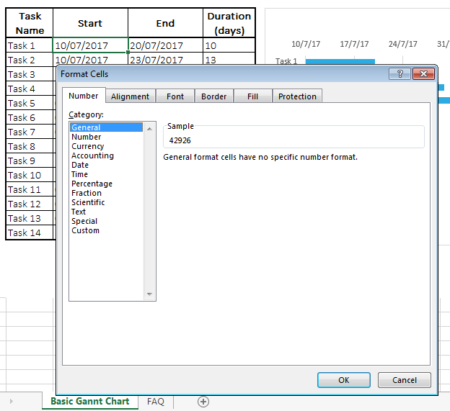

Q | How do I adjust the dates on my Gantt chart?
A | 1. In the same Format Axis window that you used in the previous step, change Major unit and Minor unit to Fixed too by adding the numbers you want for the date intervals. Typically, the shorter your project's timeframe is, the smaller numbers you use. For example, if you want to show every other date, enter 2 in the Major unit. You can see my settings in the screenshot below.

