Construction Gantt Chart
COMPANY NAME

Project: |  | Shopping mall building
Construction site: |  | The corner of 3rd and 17th street

Construction Gantt Chart

 | START DATE | DURATION (Days)
Negotiate project costs | 6/1/20 | 9
Consult regulatory specialists | 6/2/20 | 37
Enter Task 3 | 6/5/20 | 35
Enter Task 4 | 7/1/20 | 49
Enter Task 5 | 7/5/20 | 30
 |  | 0
 |  | 0
 |  | 0
 |  | 0
 |  | 0
 |  | 0
 |  | 0
 |  | 0
 |  | 0
 |  | 0
 |  | 0
Construction Activities |  |  | DURATION (Days)
START DATE | END DATE | DESCRIPTION
6/1/20 | 6/10/20 | Negotiate project costs | 9
6/2/20 | 7/9/20 | Consult regulatory specialists | 37
6/5/20 | 7/10/20 | Enter Task 3 | 35
7/1/20 | 8/20/20 | Enter Task 4 | 49
7/5/20 | 8/5/20 | Enter Task 5 | 30

Useful Tips
USEFUL TIPS
1 | When enteringactivity start and end dates in columns "C" and "D" use the following date format: DD/MM/YYYY
2 | To change colour of fill and text in cells, use HOME -> FONT tool palette.
3 | 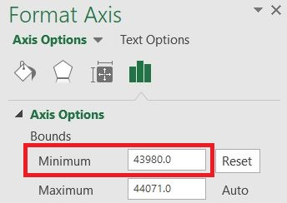 To change the start date shown on the gantt chart: Fotmat -> (Current Selection tab) Format Selection -> Axis Options -> Bound: Minimum -> Change value to a number that will be appropriate for your project start date. e.g. 43831 = 1/1/2020 44197 = 1/1/2021 44562 = 1/1/2022 .....

