Risk assessment details (to be
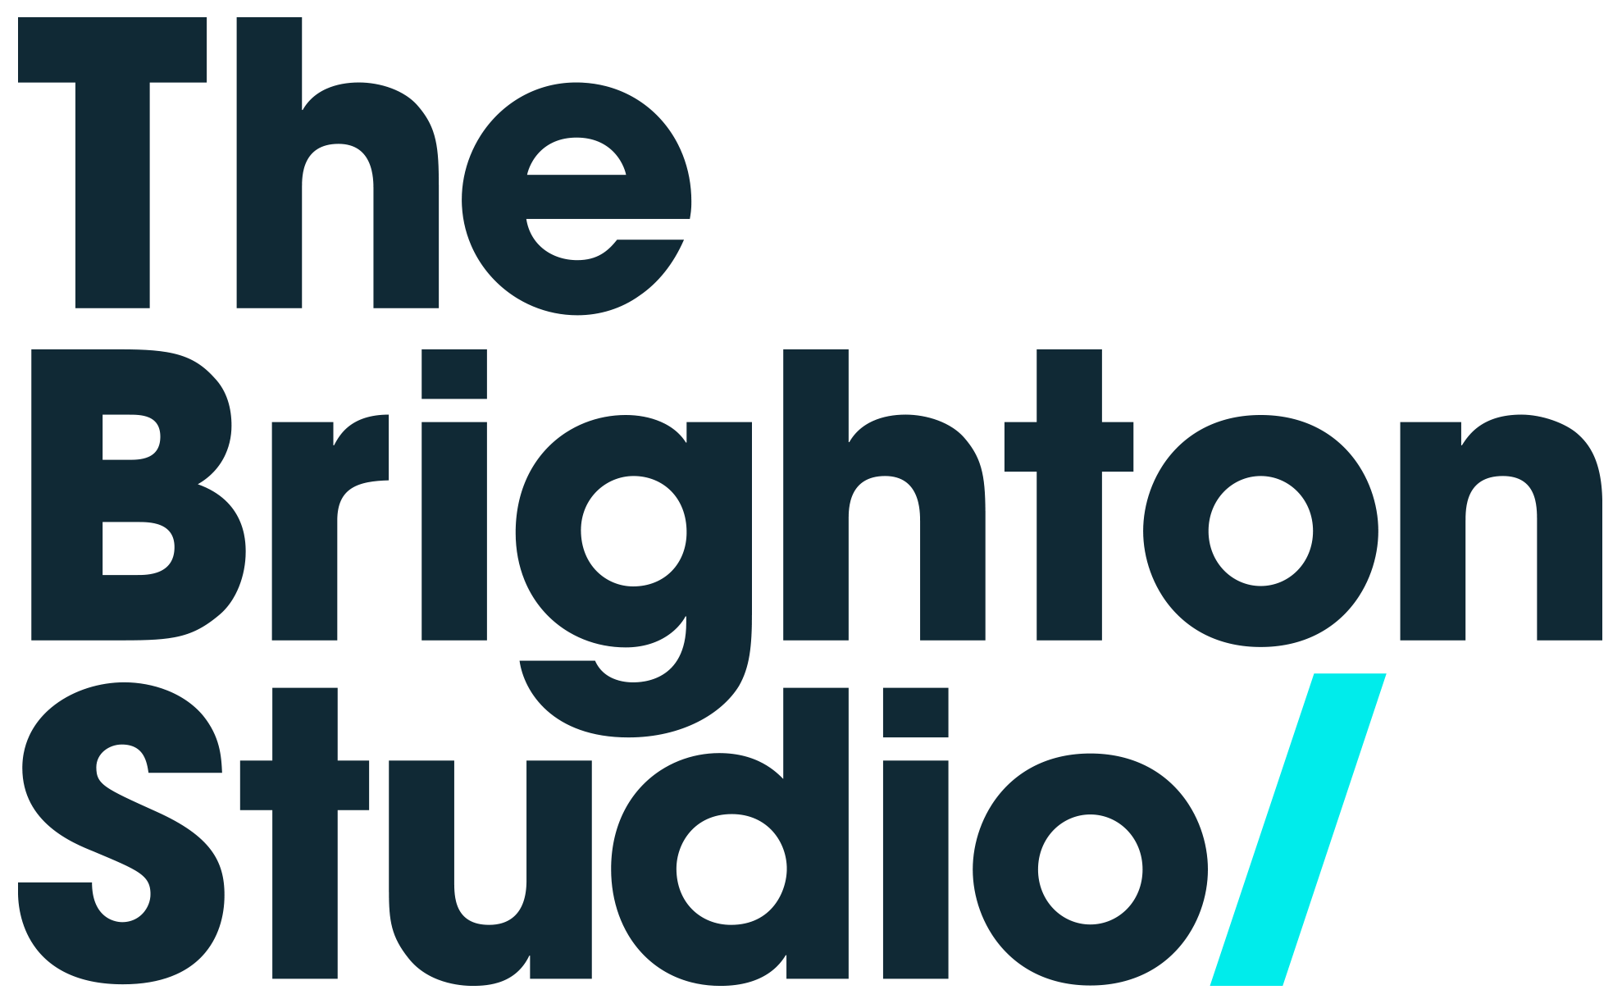
CLIENT RISK ASSESSMENT
This Risk Assessment template is provided to you so that you can identify the hazards your project presents, outline your risk mitigation and put appropriate controls in place. Once complete, a copy should be must be emailed to hello@thebrightonstudio.com

1. Fill out the information in PART ONE.
2. Read the existing list of hazards and controls in PART TWO and communicate them to your team. These are the MINIMUM CONTROLS expected of you.
3. Use the Risk Matrix to complete the assessment in PART THREE. Include hazards that may be unique to your production.
i.e: Identify a Hazard. Identify who may be harmed by the Hazard. Identify your existing controls. Consider the Likelihood of the Hazard happening with the controls you already have in place/plan to put in place and rate it on a scale of 1 - 5 per the Risk Matrix. Now consider the potential Severity of injury/damage with those measures in place and rate it on a scale of 1-5 per the Risk Matrix. The Risk Rating for each Hazard will be calculated automatically and the overall Risk Rating for your production will display at the bottom of the table.
e.g: The Hazard is "Fire". Everyone in the building and the building itself may be harmed by the hazard. Your existing controls are those listed in PART TWO. The Likelihood of a Fire with these controls in place is assessed as ‘Remote possibility’ (2). The possible Severity of injury with these controls in place is rated ‘Non-reportable injury, minor loss of process or slight damage to property’ (2) because the existing measures would allow for quick action and safe evacuation should a fire break out. The Risk Rating is calculated as Likelihood (2) x Severity (2) = Risk Rating (4)

PART ONE
Company name |  |  | Location of planned shoot (Studio A, Studio B, Workspace, Kitchen, Breakout, other...)
Production title |  |  | Summary of the shoot (i.e Group stills for corporate client, Music video, Dog-food commercial etc)
Assessor (Your name): |  | Position (Your title in this production): | Expected number of total users of the space (Including crew and talent)
Your email |  | Your phone | Risk Rating (auto updates from completed risk assessment below)
First date of planned shoot |  | End date | Date of this assessment

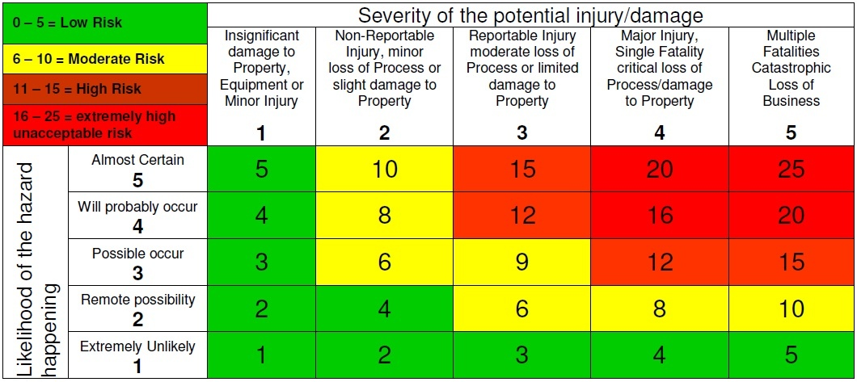
PART TWO
In addition to the unique hazards that your project may present, the following is an integral list of hazards and the risk mitigation expected of you / your production. |  |  |  | RISK MATRIX
Hazard identified | Controls
Fire | Good housekeeping, disposal of waste and debris as you go, the use of fire retardant fabrics and materials, no overloading circuits, no open flames, adhere to Studio fire evacuation policy, fire routes to be kept clear of obstruction at all times
Electrocution | All equipment should be used as the manufacturer intended, should be regularly PAT tested, should be mechanically sound and should be used by trained or experienced professionals
Slips, trips & falls | Good housekeeping, disposal of waste and debris as you go, clean up spills as you go, use mats in wet weather, no solo working at heights, follow manual handling guidelines when moving equipment, props, wardrobe etc, ensure appropriate protective measures are in place if talent or crew are to undertake potentially harmful work
Lighting | Indoor and outdoor lighting must be adequate for your activity. Mark clear, safe routes through the space for activity in low light.
Physical activities | Physical activity includes: ensuring you have a first aider on site or have a first aid procedure in place; that PPE is provided where required; sufficient training for working at heights and manual handling has been provided to those that require it, adequate breaks for food and rest are factored into your schedule.
Child Protection | Children should be accompanied by a guardian at all times and must have appropriate consent forms signed, any work undertaken by a minor must not Child Employment Laws, known allergens must be kept out of reach
Set and Props | Should be stable, secure and built in a way as to not cause injury or harm. Consider whether PPE is required in assembly, disassembly or use.
Coronavirus COVID-19 CV-19 | You must do everything possible to control the spread and prevent the transmission of the virus. Government guidelines include: Working from home (for example; engage essential personnel only. Use remote viewing options for clients), Social distancing of 2m, frequent handwashing of 20 seconds, the use of hand sanitiser, the use of PPE (identify crew unable to maintain 2m social distancing and provide gloves, masks, visors, bibs as appropriate), increased environmental cleaning with antibacterial cleansing agents. The APA and AOP reccommend that all production attendees sign a Health Declaration to confirm compliance with government recommendations. For further guidance see See https://www.thebrightonstudio.com/s/Covid-19_Productions_Shoots.pdf

PART THREE
Hazards identified | Who may be harmed? eg. Crew, talent, studio staff, visitors, surrounding residents, wider community | Existing controls. Measures already in place or will be in place for the shoot | Likelihood (L) | Severity (S) | Risk Rating (L X S) | Additional controls if Risk Rating 6+. What controls will you implement to bring risk down? | Who, if not you, is implementing the additional control? Ensure this is communicated and agreed with this person in advance of your production.
 |  |  |  |  | 0
 |  |  |  |  | 0
 |  |  |  |  | 0
 |  |  |  |  | 0
 |  |  |  |  | 0
 |  |  |  |  | 0
 |  |  |  |  | 0
 |  |  |  |  | 0
 |  |  |  |  | 0
 |  |  |  |  | 0
 |  |  |  |  | 0
 |  |  |  |  | 0
 |  |  |  |  | 0
 |  |  |  |  | 0
 |  |  |  |  | 0
 |  |  |  |  | 0
 |  |  |  |  | 0
 |  |  |  |  | 0
 |  |  |  |  | 0
 |  |  |  |  | 0
 |  |  |  |  | 0
 |  |  |  |  | 0
 |  |  |  |  | 0
 |  |  |  |  | 0
 |  |  |  |  | 0
 |  |  |  |  | 0
 |  |  |  |  | 0
 |  |  |  |  | 0
Overall risk rating for event (updates automatically):

