Stakeholder Analysis


 |  |  |  |  | Contract #
 |  |  |  |  | Project/Contract Title:
 |  |  |  |  | Program:
 |  |  |  |  | Last Modified: |  | 6/20/18
Stakeholder Analysis

Internal | RACI | likely support | possible objections | hot button | impact | Communications Plan
Stakeholder Name |  |  |  |  |  | what ? | when? | who?

External | RACI | likely support | possible objections | hot button | impact | Communications Plan
Stakeholder Name |  |  |  |  |  | what ? | when? | who?

© PMMS Consulting Group Pty Ltd. NSW Government entities (including local councils) are permitted to use and adapt this document. All rights are otherwise reserved to PMMS.

Instructions
Stakeholder Analysis - Instructions

Objective

To analyse project stakeholders to understand and manage their impact on the project

Objective

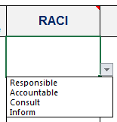
1 | For each internal (e.g. business units, approvers) and external (e.g. agencies, legal services) stakeholder indentify their RACI role by using the drop down list.

2 | Identify their likely areas of support, possible objections to the project and 'hot buttons' (personal sensitive issues).

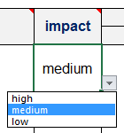
3 | Rate the stakeholders potential impact on the project using the drop down list.

4 | Identify a communcations plan for each stakeholder to ensure that their impact on the project is managed successfully.

