Instructions
FMEA Template

Objective
This document is used to perform the Failure Modes & Effects Analysis (FMEA) study on an asset/asset class to identify failure modes, effects, causes & recommended actions to avert these failure modes. The file contains following three sheets: 1) FMEA: This sheet to be used to perform failure mode effect analysis on identified asset/asset class 2) Maintenance strategy: This sheet to be used to perform maintenance strategy on identified asset/asset class 3) Decision Matrix: This sheet contains a decision matrix, which is used to decide best maintenance action such as failure prevention, prediction, detection or design changes to avert a failure mode 4) Scoring Guidelines: This sheet contains guidelines to evaluate failure mode severity, occurrence and detection resulting into determination of risk priority number

Cell Colour Library
 | Field represents asset and failure mode related data
 | Field represents severity, occurrence and detection scores identified using "scoring guidelines"
 | Field represent maintenance action type identified using "decision matrix"
Sheet#1: FMEA
S. No. | Field name | Field Description
1 | Plant | Field contain the plant in which equipment is installed
2 | Section | Field contain the system/section of plant in which equipment is installed
3 | Equipment Tag | Field contain tag number of equipment
4 | Equipment Description | Field contain description of equipment
5 | Equipment Type | Field contain type of equipment such as compressor, dumper, shovel, excavator etc.
6 | F. No. | Field contains serial number of functions numbering in the form of 1,2,3.. etc.
7 | Function | Field contain the function of equipment. For ex: "Load 10 tons of material on dump truck in 1 hour"
8 | FF. No. | Field contains the serial number of functional failure numbering in the form of 1.1, 1.2, 1.3…. etc.
9 | Functional Failure | Field contain functional failures of equipment. For ex: "Unable to load 10 tons of material in 1 hour"
10 | FM No. | Field contains the serial number of failure mode numbering in the form of 1.1.1, 1.1.2 etc
11 | Failure Mode(s) | Field contain all the failures mode of equipment leading to functional failure
12 | Failure Effect(s) | Field contain consequences of a failure on operation, function or functionality, safety and environment
13 | Severity (SEV) safety | Field contain the severity (sev) number (value from 1 to 10), determined based on degree of impact on safety using "scoring guidelines" provided in the document
14 | Severity (SEV) environment | Field contain the severity (sev) number (value from 1 to 10), determined based on degree of impact on environment, using "scoring guidelines" provided in this document
15 | Severity (SEV) production | Field contain the severity (sev) number (value from 1 to 10), determined based on degree of impact on production, using "scoring guidelines" provided in this document
16 | Severity (SEV) | Field contain the severity (sev) number (value from 1 to 10) based on highest severity determined against safety, environment and production
17 | Failure Cause(s) | Field contain the cause(s) of failure mode, which can be related to an operator or maintenance error, a manufacturing defect, design deficiency, an environmental issue etc.
18 | Occurrence (OCC) | Field contain the occurrence (occ) number (value from 1 to 10), determined based on occurrence of failure mode, using scoring guidelines provided in this document
19 | Current Process Controls | Field contain the current process controls in place to detect the failure mode
20 | Detection ( DET) | Field contain the detection (det) number (value from 1 to 10), determined based on current control of failure mode, using scoring guidelines provided in this document
21 | Risk Priority Number (RPN) | Field contain risk priority number (RPN) of failure mode. The number is calculated by multiplying severity by occurrence and detection. This number helps to identify the areas of highest concern and where actions need to be taken to reduce risk (ideally this number should be under 100)
22 | Maintenance task Type | Field contain one of the below recommendations determined against each failure mode using "decision matrix" provided in this document a)On-Condition Tasks b)Schedule Discard Tasks c)Scheduled Restoration Tasks d)Failure Finding Tasks e)Re-design f)Run-to-Fail
23 | Recommended Action(s) | Field contain detailed maintenance action to reduce risk priority number of failure mode
24 | Responsible person | Field contain the responsible person of plant to execute the recommended task
25 | Target date | Field contain the target date by which recommended task should be completed
26 | Severity (SEV) safety | Field contain the mitigated severity (sev) number (value from 1 to 10), determined based on degree of impact on safety using "scoring guidelines" provided in the document
27 | Severity (SEV) environment | Field contain the mitigated severity (sev) number (value from 1 to 10), determined based on degree of impact on environment, using "scoring guidelines" provided in this document
28 | Severity (SEV) production | Field contain the mitigated severity (sev) number (value from 1 to 10), determined based on degree of impact on production, using "scoring guidelines" provided in this document
29 | Mitigated SEV | Field contain the mitigated severity (sev) number (value from 1 to 10) based on highest severity determined against safety, environment and production
30 | Mitigated OCC | Field contain the mitigated occurrence (occ) number (value from 1 to 10), determined based on occurrence of failure mode, using scoring guidelines provided in this document
31 | Mitigated DET | Field contain the mitigated detection (det) number (value from 1 to 10), determined based on current control of failure mode, using scoring guidelines provided in this document
32 | Mitigated RPN | Field contain risk priority number (RPN) of failure mode. The number is calculated by multiplying severity by occurrence and detection. This number helps to identify the areas of highest concern and where actions need to be taken to reduce risk
33 | Remarks | Field contains remarks, if any

Sheet#2: Maintenance Strategy
S. No. | Field name | Field Description
2 | Plant | Field contain the plant in which equipment is installed
3 | Section | Field contain the system/section of plant in which equipment is installed
4 | Equipment Tag | Field contain tag number of equipment
5 | Equipment Description | Field contain description of equipment
6 | Equipment Type | Field contain type of equipment such as compressor, dumper, shovel, excavator etc.
7 | Maintenance Type (PM, PDM, CM, RTF) | Field conains the type of maintenance such as preventive, predictive, corrective or run to failure
8 | Recommeded Activity | Field contains detail of type of activity/ task to be performed
9 | Relevant Failure Mode(s) | Field contains mapping of task type with the failure mode(s) in FMEA sheet
10 | Maintenance Task Type | Field contains maintenance task type which is derived from the decision matrix
11 | Taks Interval | Field contains task interval for different criticality of equipment
16 | Safety Precautions | Field contains safety precaution if any applicable for the task
17 | Remarks | Field contains remarks if any

Sheet#3: Decision Matrix
After failure mode, effects and causes are identified, one or more recommended actions can be identified as a FMEA recommendation. A recommendation defines what should be done to eliminate or to mitigate the risk associated to the failure modes and their associated effects. Recommendations can be determined using a decision matrix. Using a decision matrix helps to identify the maintenance action types that need to be performed to prevent, predict, or detect the failure.

Sheet#4: Scoring Guidelines
This sheet contains "scoring guidelines" to determine level of failure severity, occurrence & detection against each failure mode. These levels are further used to calculated risk priority number (RPN).

Reference Library
S. No. | Document name
1
2
3
4

FMEA
Failure Mode Effect Analysis

S.No. | Plant | Section | Equipment Tag | Equipment Description | Equipment Type | F No. | Function | FF No. | Functional Failure | FM No. | Failure Mode(s) | Failure Effect(s) | Severity (SEV) safety | Severity (SEV) environment | Severity (SEV) production | Severity (SEV) | Failure Cause(s) | Occurrence (OCC) | Current Process Controls | Detection (DET) | Risk Priority Number (RPN) | Maintenance Task Type | Recommended Action(s) | Responsible person | Target date | Severity (SEV) safety | Severity (SEV) environment | Severity (SEV) production | Mitigated SEV | Mitigated OCC | Mitigated DET | Mitigated RPN | Remarks
Enter S.No. | Enter plant in which is installed | Enter section/system of the plant in which equipment is installed | Enter equipment tag | Enter description of equipment | Enter equipment type |  | Enter function of equipment |  | Enter specific equipment performance issues |  | Enter possible ways in which equipment can fail | Enter potential effect of each failure mode | Enter severity based on scoring guidelines |  |  | Auto-calculated field | Enter underlying cause of failure | Enter occurrence based on scoring guidelines | Enter control measures in place to detect the failure | Enter detection based on scoring guidelines | Auto-calculated field | Enter maintenance action type based using decision matrix | Enter recommendation to avert failure scenarios | Enter person responsible (if applicable) | Enter target date for recommendation (if applicable) | Enter severity based on scoring guidelines |  |  | Auto-calculated field | Enter occurrence based on scoring guidelines | Enter detection based on scoring guidelines | Auto-calculated field | Enter remarks, if any
 |  |  |  |  |  | 1 |  | 1.1 |  | 1.1.1 |  |  |  |  |  | 0 |  |  |  |  | 0 |  |  |  |  |  |  |  |  |  |  | 0

Maintenance Strategy
Maintenance Strategy

S.No. | Plant | Section | Equipment Tag | Equipment Description | Equipment Type | Maintenance Type (PM, PDM, OA, RTF) | Recommeded Activity | Relevant Failure Mode(s) | Maintenance Tasks Type | Taks Interval (Days) |  |  |  |  | Safety Precautions | Remarks
Enter S.No. | Enter plant in which is installed | Enter section/system of the plant in which equipment is installed | Enter equipment tag | Enter description of equipment | Enter equipment type | Enter maintenanc type | Enter group recommendation to avert failure scenarios | Enter FM no. from FMEA sheet | Enter maintenance action type based using decision matrix | A Critical | B Critical | C Critical | D Critical | E Critical | Enter Safety precautions, if any | Enter remarks, if any

 |  |  |  |  | Dumper | PDM | Check Vibration | 2.1.2, 1,1,3 | On-condition tasks | 7 | 30 | 60 | - | -

Decision Matrix
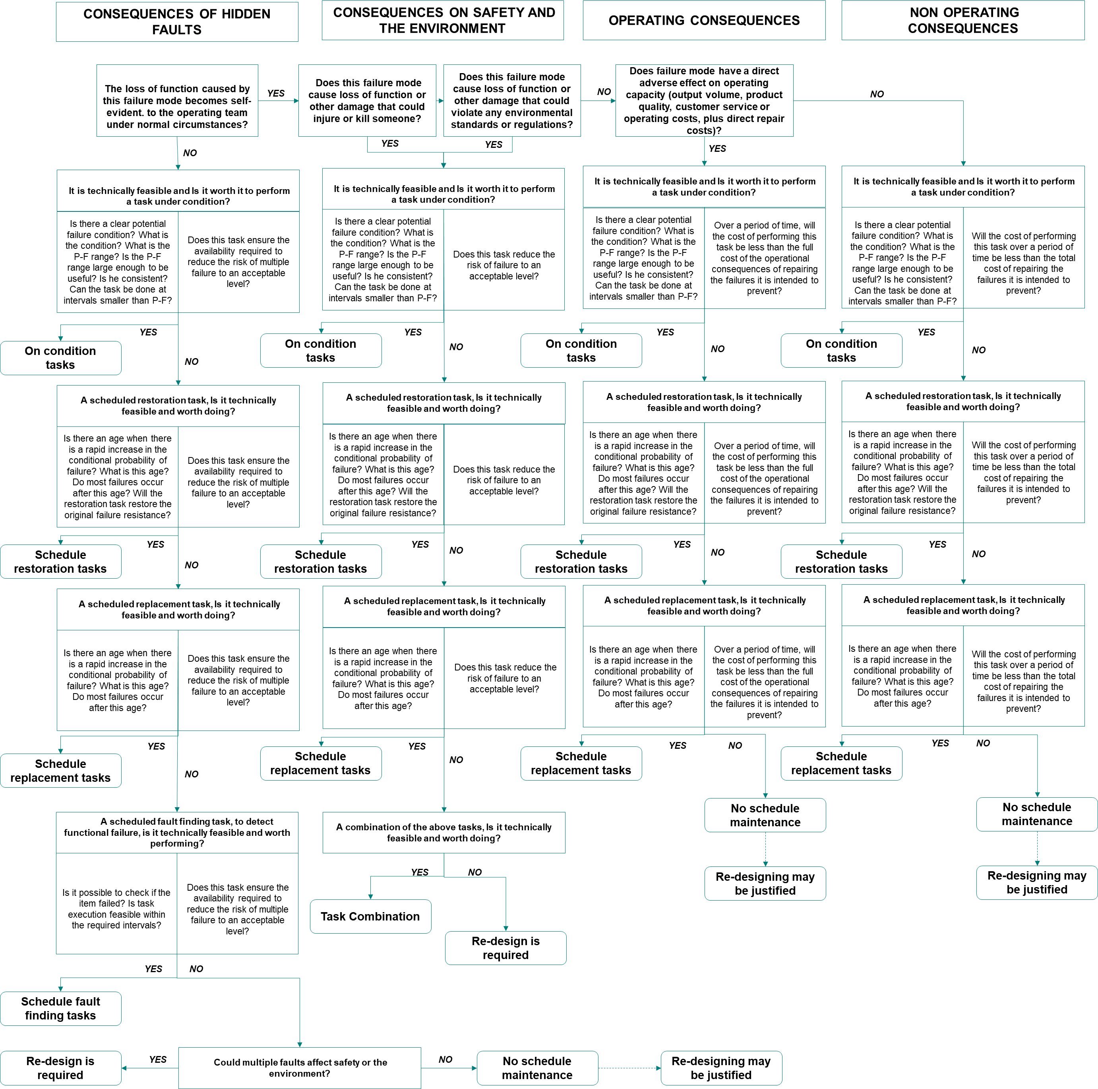
Failure Mode Effect Analysis

Decision Matrix

Scoring guidelines
Failure Mode Effect Analysis

Risk Priority Number Guidelines

Level | Description | Production Criteria
10 | Catastrophic | > 3MM
8 | Critical | >1M – 3MM
6 | Major | >300K – 1M
3 | Minor | >100K – 300K
1 | Negligible | 0 – 100K

Level | Description | Safety criterion
10 | Catastrophic | Incident resulting in more than 1 fatality
8 | Critical | Permanent disabling incidents or a single fatality
6 | Major | Incidents with absence
3 | Minor | Incidents without absence (with restriction and medical treatment)
1 | Negligible | No treatment, first aid

Level | Description | Environment Criteria
10 | Catastrophic | 1. With significant irreversible environmental impact beyond the vicinity of the occurrence, with regional or greater reach. 2. Need for extensive repair and control measures and project for impact mitigation. Area protected by law affected. Suspension or loss of environmental license
8 | Critical | 1. With significant environmental impact, reversible or irreversible beyond the vicinity of the occurrence. 2. Need for extensive repair and control measures, which may require project. Area protected by law affected. Suspension of environmental license
6 | Major | 1. With significant environmental impact, reversible beyond the vicinity of the occurrence. 2. Necessity of extensive repair and control measures, which may require a project.
3 | Minor | 1. With significant environmental impact, reversible in the vicinity of the occurrence. 2. Necessity of corrective actions or actions of containment, cleaning or adequacy of the operation.
1 | Negligible | 1. No significant environmental impact 2. Necessity of corrective actions or actions of containment, cleaning or adequacy of the operation.

Level | Description | Occurrence criteria
1 | Nearly impossible | Failure expected to occur after 20+ years
3 | Low | Failure expected to occur between 10-20 years
6 | Moderate | Failure expected to occur between 5-10 years
8 | High | Failure expected to occur between 1 -5 years
10 | Very high | Failure expected to occur within 1 year

Level | Description | Detection criteria
10 | Very uncertain | Fault will be passed undetected to user/customer
8 | Low | Low probability that tests will catch fault
6 | Moderate | Moderate probability that tests will catch fault
3 | high | High probability that tests will catch fault
1 | Almost certain | Fault is certain to be detected by testing

S.No. | Maintenance action type
1 | On-condition tasks
2 | Schedule recovery
3 | Schedule replacement
4 | Fault finding
5 | Re-design
6 | One time design

