Instruction
AIAG VDA P FMEA Form Work Instruction
[document number]

Omnium Software Products Disclaimer
This template was produced by Omnium Software Products - Advanced Engineering and Management Srl Company.
www.omnium.ro
© Omnium Software Products/ Advanced Engineering And Management
File licensed according GNU GPL V3

This template and VBA functions embeded can be modified, altered, changed at your will. This file can not be licensed by other party, being licensed as GPL GNU V3.
This program comes with ABSOLUTELY NO WARRANTY

Developer: Alexandru TUDOSE
https://www.alexandrutudose.ro/
www.omnium.ro
https://www.operationalmanagementsolutions.eu/
You can contact me by email: alex@omnium.ro

Document content:

1. General
2. Step 1: Planning and preparation section
3. Step 2: Structure Analysis
4. Step 3: Function Analysis
5. Step 4: Failure Analysis
6. Step 5: Risk Analysis
7. Step 6: Optimization
8. Step 7: Documentation
9. Changes log

DO NOT PRINT - use in completing instruction in electronic format - please consider your environmental responsibility.

1. General
Process FMEA's must be prepared for all ORGGANIZATION manufacturing lines. (Refer to the AIAG FMEA Manual, VDA, etc, and AIAG APQP and Control Plan manual).
To deploy this study a cross-functional team is necessary. The cross-functional team should at least include: - Maintenance Engineer - Tooling issues, past problems - Quality Engineer (Leader) - Quality Data for similar programs, Historical Information,PFMEA from similar projects, D-FMEA input where applicable, customer specific requirments - Production Leader - Production issues, past problems
Similar part FMEAs must be considered.
Periodically reporting should pe issued to customer, according arrangements during project development (see section 7 - Documentation).

Step 1: Planning and preparation section

(1)
(2)
(3)
(4)
(1) - name of the company
(2) - plant address
(3) - name of the customer/ or product family
(4) - customer application / or company model and platform
(1)
(2)
(3)
(4)

(1) - subject (theme)
(2) - start date -> initial date when PFMEA was started
(3) - revision date → date when FMEA was reviewed
(4) - cross functional team list
(1)
(2)
(3)

(1) - PFMEA ID. Number - internal number, given by company according internal system (e.g. Projects List position, ECM database).
(2) - Person in charge (name of FMEA owner)
(3) - Confidentiality Level | Business Use
 | Proprietary
 | Confidential
You can add more levels according your organization defined confidentiality policy. Update Levels List

.. Back to step 1 (form)
.. Back to WI content

Step 2: Structure Analysis

(1)
(2)
(3)
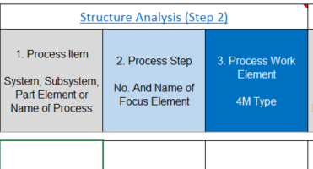

(1) Process Item: Highest element within the scope of analysis. - Name of the process: e.g. Assembly Line - Name of an indirect process: e.g. Shipping

(2) Process step: The element in focus. - Manufacturing Operation and station: e.g.: 10 Ultrasonic welding

(3) Process Work Element: The element that is the next level down from (2). - Identification of the element that affects the manufacturing operation or station (2) by using the 4M (Man, Machine, Material, Milieu (Environment) - E.g.: Screwing machine, Operator, Press machine

.. Back to step 2 (form)
.. Back to WI content

Function Analysis (Step 3)

(1)
(2)
(3)
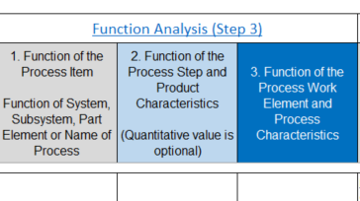

(1) Function of the Process Item Description of the expected functions of the process item. Example: Assemble components.
(2) Function of the Process Step Describes the resulting product features producted by the operation/ station. Example: - crimp the spring into the tube
3. Function of the Process Work Element Describes the contribution of the process step to create the features Example: - take the part from fixture manualy

.. Back to step 3
.. Back to WI content

Failure Analysis (Step 4)

(1)
(2)
(3)
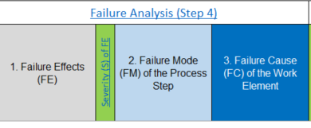

1. Failure Effects (FE): Whar customer may notice or experience
Process General Evaluation Criteria Severity (S)

2. Failure Mode (FM) of the Process Step:
.. Back to WI content
.. Back to step 4 (form)

(1)
(2)
(3)
(4)
(5)
Risk Analysis (Step 5)
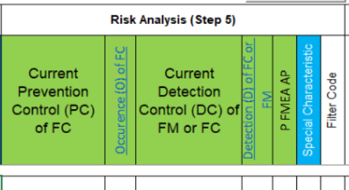

(1) measures which should be implemented in the design process and verified during prototype, machine qualifications and process verification. Process planning: minimize the possibility of failure occurrence. Production process: eliminate (prevent) the failure cause to reduce its rate of occurrence. Examples: - two handed operation of machines - PokaYoke - Preventive maintenance - Operator maintenance - Work instructions - First part release

(2) - Occurrence of failure cause. See Occurrence table, below is the link:
Occurence Potential (O) for the Process

(3) - Current detection control of Failure Cause: - detect the existence of failure cause or failure mode (manual or automated methods) Examples: - End of line inspection - Atributive gauging - Visual checking by operator

(4) - Detection (FC or FM) according the table below:
Detection Potential (D) for the Validation of the Process Design

(5) - Decision if further actions are needed to reduce the risk and action priority.
AP is automatically calculated by pressing AP Calculation button when you are in the AP cell, but it can be overriden manual by using drop down list.

Priority High: - highest priority | H
Priority Medium: - medium priority for review and action | M
Priority Low: - low priority for review and action | L

If calculated value is NPA (Not a Priority) please write to:
office@omnium.ro
Add a screen capture or write in the email body S O D values - it can be possible to encounter a bug due lack of combinations returned by AP calculation functions.

(6) - Special characteristic: customer or internal designated characteristic being special.
Special Characteristic: - product characteristic or manufacturing process parameter which can affect safety or compliance with regulations, fit, function, performance or subsequent processing of product. IATF 16949

.. Back to step 5
.. Back to WI content

Optimization (Step 6)

(1)
(9)
(2)
(3)
(4)
(5)
(6)
(7)
(8)
(10)
(11)
(1) Preventive Action: Necessary actions to reduce the occurrence
(2) Detection Action: Necessary actions to improve the detection
(3) Responsible person name: name of the person responsible to follow the action.
(4) Target Completion Date: date in format MM.YY or DD.MM.YYYY

(5) Action status:
The status for each action shall be documented according this table:

Action Status | Code
Open | O
Decision pending | DP
Implementation pending | IP
Completed | C
Not Implemented | NP

(6) Action taken with the pointer to Evidence: Implemented action(s) with related proves (document numbers, date..)
(7) Completion date: Date when action was implemented. Format MM.YY or DD.MM.YYYY.

(8) S O D recalculation following the proving of implemented action(s) effectiveness.

(9) Special characteristic

(10) Action Priority - according Step 5:
Open Step 5 - AP section

AP - new action Priority:
You can use Re-calculate button to automatically recalculate priority level or you can define it manually:
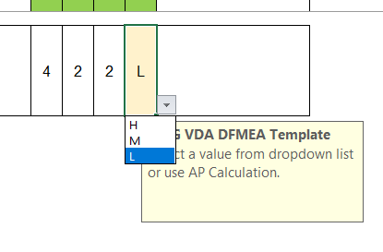

.. Back to step 6 (form)
.. Back to WI content

Documentation (Step 7)

Report FMEA progress (initial objectives vs. targets).
Structure recommended: - A: statement of final status compared to objectives establoshed in project plan - B: summary of analysis scope and what is new - C: summary of how functions were developed - D: summary of high risks failures (at least) - E: summary of actions related to high risks failures (at least) - F: a plan and commitment to finalize ongoing improvement actions

Such report can be used within customer communications and top management progress reporting.

8. Changes log

(1)
(2)
(3)
(4)

(1) - Change Level: number or character (A,B,C..) following change (revision) of this document.
(2) - revision date (when content was changed)
(3) - description (short description of change)
(4) - related documents for change (e.g. 8D reports..)
(5) - use "X" to mark if the document updating process was finalized (it can be distributed within internal network).

.. Go to changes log
.. Back to WI content

