Catering Invoice
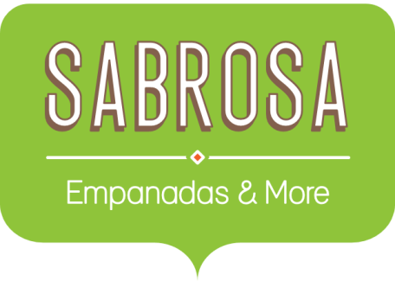 | Catering Invoice Sabrosa Empanadas & More 1202 Biscayne Bay Drive Orlando, FL 32804 |  | Invoice #: 5690B Date: 05/15/16 | Create one formula to calculate the tax at 7.5% for all 3 items. Create a formula to add the 3 items + the tax
MENU ITEM | UNIT PRICE | QUANTITY | LINE TOTAL
Tamales: Carnitas | $2.29 | 20 | $45.80
Tamales: Vegetable | $2.29 | 30 | $68.70
Empanadas: Nutella & Banana | $3.99 | 40 | $159.60
TAX
TOTAL

