Sheet1
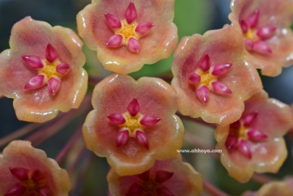
www.ahhoya.com
Facebook : https://www.facebook.com/suanlangbang
 | Line ID: suanlangbang
 | Phone: 089-9229467

Proforma invoice
Customer e-mail: date: / /20
Special conditions:
No. | ID Name | Quantity | Price usd | Amount usd | Remarks
1
2
3
4
5
6
7
8
9
10
11
12
13
14
 | total |  |  | 0
 | ems charge
 | phytosanitary cert charge
 | Total amount |  |  | 0
= Policy Please Read!!! =
1. We are not responsible for your postal or your customs delay destination.
2. We are not responsible any extra cost if customer confirm not required Phytosanitary certificate.
3. Shipping plant internationally, All plant have to be bareroot, Some kinds of plant may effected yellowish leaf or fallen leaf,
This is the nature of that plant, normally new leaf will be created within 1 month,
I do not responsibility about yellowish or fallen leaf, please understand.
4. Please check you custom rule regulaion, I do not responsibility in case of Custom Restriction Rule.
5. In case of refunded I refunded only plant price not refunded shipping, if you do not agree please reconsider in ordering.
Picture is need immediately or not over 1 days after received for evedence or proof of damaged.

